Sheet1
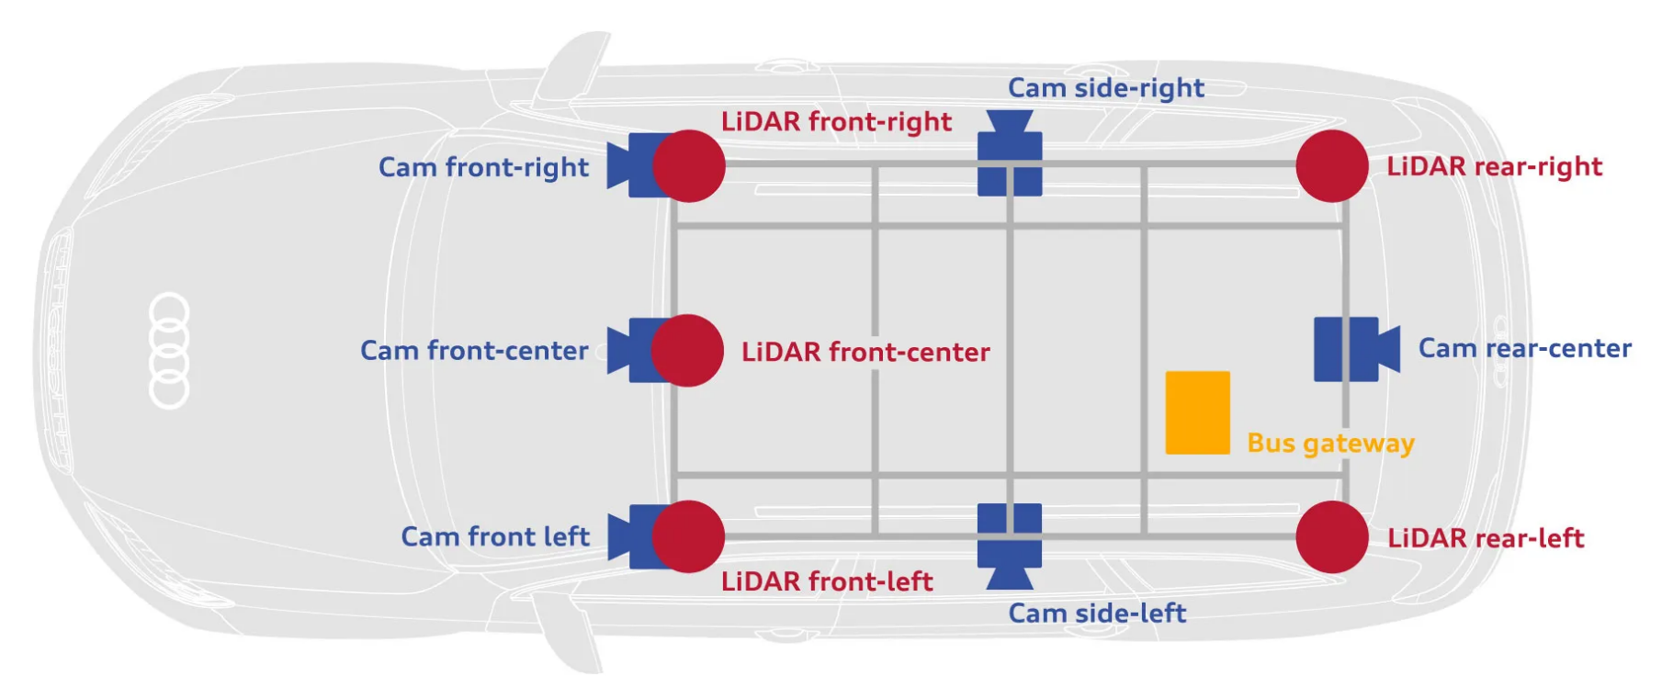
DataSet Name | DataSet Link | # Classes | Size | Class distributions | Image Format (e.g., COCO, Pascal VOC) | Image Resolution | Data Augmentation | Weather Conditions | Sensor Setup | Last Updated
A2D2 (Autonomous Vehicles) | https://www.a2d2.audi/a2d2/en.html | 38 | 41000 | Class imbalance with cars and pedestrains more and bikes & animals less | Custom but also compatible with formats like COCO and Pascal VOC | 1920*1208 | No augmented images by default | lighting conditions: daylight, dusk, weather conditions: clear,cloudy, rain | six cameras, five LiDAR sensors, and an automotive gateway for recording bus data. | 2019
Waymo (Autonomous Vehicles) | https://waymo.com/open/ | 4 main classes (vehicles, pedestrains, cyclists, signs) | 1000 driving segments * 20 seconds of high res capture | some imbalance with more vehicles than pedstrains or cyclists | Custom but also compatible with formats like COCO and Pascal VOC | 1920*1208 | No augmented images by default | lighting conditions: daylight, dusk, weather conditions: clear,cloudy, rain | Perception-Sensor data 1 mid-range lidar 4 short-range lidars 5 cameras (front and sides) Synchronized lidar and camera data Lidar to camera projections Sensor calibrations and vehicle poses Motion-Sensor data 1 mid-range lidar 4 short-range lidars [New] 8 cameras with 360 degree coverage — image embeddings only | Major: October 2022 Minor: March 2024
VisDrone (Drone Dataset) | https://github.com/VisDrone/VisDrone-Dataset | 10 (pedestrain, people, bicycle, car, van, truck, tricycle, awning-tricycle, bus, motor) | 288 video clips with 261,908 frames and 10,209 static images | Highly imbalanced. The majority of objects are cars, pedestrians, and people, while other categories like bicycles, tricycles, and buses are less frequent. This is said by some profs through some EDA (Exploratory Data Analysis). | The dataset is provided in COCO and Pascal VOC formats (both bounding box annotations and image segmentation). | 1920x1080 pixels (HD quality) |  | Sunny Cloudy Rainy Foggy | RGB Cameras | 2021
UAVDT (Drone Dataset) | https://sites.google.com/view/grli-uavdt/%E9%A6%96%E9%A1%B5 | 4 (bus, car, vehicle, truck) | 80000 frames from 10 hours of raw videos | The dataset focuses mainly on the car class, which has the largest number of instances, followed by truck and bus. However, the exact distribution percentages vary depending on the individual video sequences. | The dataset follows a format similar to Pascal VOC, with images in .jpg format and annotations in .txt files. | 1080 x 540 | No augmented images by default | Sunny Cloudy Night | a low-altitude drone equipped with a visible-light camera. | 2018 | Front View Side View Bird's-eye View Oblique View: | https://connexicore.com/drone-video-camera-movements-understanding-the-basic-techniques-to-elevate-your-aerial-storytelling/
Carla (Autonomous Driving) | https://carla.org/ | The distribution of classes can vary depending on the specific scenario and scene setup. CARLA provides diverse scenarios to ensure balanced class representation. | The dataset consists of thousands of images, with each scene captured in different weather conditions, times of day, and driving scenarios. | Vehicles, Pedestrians, Traffic Signs, Traffic Lights, Roads and Lanes, Sidewalks and Curbs, Buildings, Vegetation, and Other Static Objects | CARLA does not follow a specific format like COCO or Pascal VOC but provides raw image data along with annotations that can be converted into these formats | 1280x720 or 1920x1080 | No augmented images by default | clear, cloudy, rainy, and foggy conditions etc. | The dataset is captured using a variety of sensors mounted on the simulation vehicle, including RGB cameras, depth cameras, and semantic segmentation cameras. | Updated frequently

